Charts
Overall Market Share by Category
 | Value market Share
FMCG | 0.0%
DPH | 14.9%
GROCERY | 29.6%
FRESH GOODS | 34.2%
BEVERAGES | 16.7%
FROZEN GOODS | 4.6%
Market Share by Specific Category
 | Value market Share
Home Care | 5.80%
Personal Care | 7.00%
Paper Product | 2.00%
Salted Grocery | 12.60%
Savoury Grocery | 17.00%
Dairy Products | 16.10%
Non Dairy Products | 18.10%
Alchoholic Beverages | 10.00%
Non Alchoholic Beverages | 6.70%
Salted Frozen Goods | 3.40%
Sugared Frozen Goods | 1.20%

Category Value Sales & Sales Volume % Growth | Total Coverage | MAT TY
 | Value Sales Growth | Sales Volume Change
Home Care | 2.7% | 0.20%
Personal Care | 1.5% | 1.30%
Paper Product | -0.3% | -2.00%
Salted Grocery | 1.6% | 0.30%
Savoury Grocery | 2.5% | 0.90%
Dairy Products | 0.6% | -0.10%
Non Dairy Products | 5.0% | 3.10%
Alchoholic Beverages | 7.1% | 4.40%
Non Alchoholic Beverages | 3.5% | 2.60%
Salted Frozen Goods | 2.9% | 2.30%
Sugared Frozen Goods | 5.6% | 4.60%

Market Share | HMSM
Other Spirits | 93%
Vodka | 7%
Total Spirits Sales - €4.28 Billion
Total Vodka Sales - €0.29 Billion
Value Sales Increase (Spirits) - €0.21 Billion
Value Sales Increase (Vodka) - €0.03 Billion
% Growth (Spirits) - 5.2%
% Growth (Vodka) - 12.4%

Penetration
9.1% (+0.1pt)

Frequency
5 (+11%)

AWOP
4.3 L (+12%)

Vodka Sector Performance
Value % Chg vs Volume % Chg & Value Sales (€M)

 | Value Sales Growth% | Volume % Change
ARO | 61.1% | 43%
NATURE | 9.5% | 8%
 | Actual Value sales (MAT-1) in millions | Actual Value sales (MAT) in millions
ARO | € 15.06 | € 24.27
NATURE | € 251.14 | € 274.94

Since value growth is greater than the volume growth for the categories which indicates the increase in price per L or decrease in promotions for the vodka category.

Total ARO Sales - €24.27 Million
Value Sales Increase (ARO) - €9.206 Million
% Growth (ARO) - 61%
Total NATURE Sales - €274.94 Million
Value Sales Increase (NATURE) - €23.795 Million
% Growth (NATURE) - 9%

Penetration (ARO)
1.5% (+0.6pt)
Penetration (NATURE)
8.4% (-0.4pt)

Frequency (ARO)
1.8 (-16%)
Frequency (NATURE)
5.1 (+12%)

AWOP (ARO)
1.3 L (-24%)
AWOP (NATURE)
4.5 L (+18%)

Key Players Performance in ARO Category


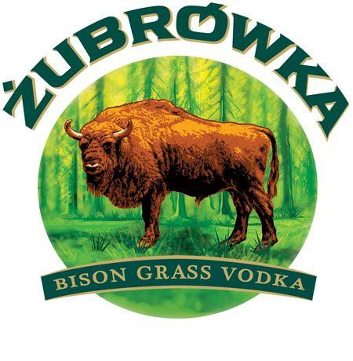

Value Sales
€7.99 m
€7.94 m
€4.63 m
€1.47 m

Growth/Decline:
Value % Chg
+15 %
+39 %
+314 %
+409 %

Growth/Decline:
Actual Value
€1.05 m
€2.23 m
€3.51 m
€1.18 m

Value Share:
MAT vs MAT-1

Market Share
32.9 %
32.7 %
19.1 %
6.0 %

Penetration Rate
0.6 %
(+0.1pt)
0.1 %
(-0.1pt)
NA
0.3 %
(+0.2pt)

Frequency
1.7
(+21%)
1.6
(+23%)
NA
1.5
(+54%)

Key Players Performance in NATURE Category

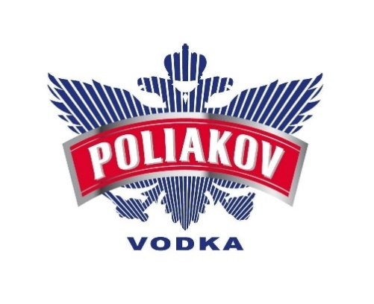

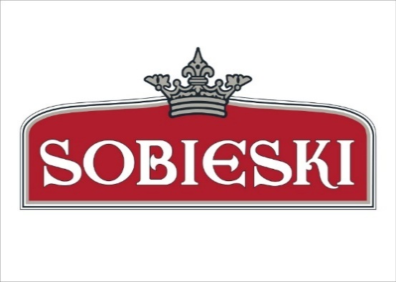

Value Sales
€21.45 m
€101.58 m
€39.15 m
€35.21 m
€33.44 m
€24.68 m

Growth/Decline:
Value % Chg
-5 %
+6 %
+22 %
+4 %
+20 %
+23 %

Growth/Decline:
Actual Value
€1.07 m
€6.06 m
€7.15 m
€1.31 m
€5.52 m
€4.65 m

Value Share:
MAT vs MAT-1

Market Share
7.8 %
36.9 %
14.2 %
12.8 %
12.2 %
9.0 %

Penetration Rate
1.4 %
(+0 pt)
3.6 %
(-0.2pt)
1 %
(0 pt)
2.4 %
(0 pt)
2.0 %
(-0.1 pt)
2.1 %
(+0.1pt)

Frequency
2.9
(+25%)
3.1
(-7%)
2.6
(+34%)
4.6
(+2%)
3.0
(+25%)
3.2
(+35%)

Vodka Performance in different Channels and Retailers

HM Banner
SM Banner

Value Sales
€159.33 m
€139.88 m

Growth/Decline:
Value % Chg
11.2 %
13.8 %

Growth/Decline:
Actual Value
€16.05 m
€16.95 m

Vodka Category Performance in different Channels and Retailers

HM Banner
SM Banner

Value Sales
€18.75 m
€5.52 m

Growth/Decline:
Value % Chg
73.6 %
29.5 %
ARO

Growth/Decline:
Actual Value
€7.95 m
€1.26 m

Value Sales
€140.58 m
€134.36 m

Growth/Decline:
Value % Chg
6.1 %
13.2 %
NATURE

Growth/Decline:
Actual Value
€8.10 m
€15.70 m

Key ARO Players Performance in HM and SM Banner

Value Sales
€5.57 m
€6.29 m
€4.03 m
€0.96 m

Growth/Decline:
Value % Chg
+21 %
+43 %
+357 %
+452 %

Growth/Decline:
Actual Value
€0.96 m
€1.89 m
€3.15 m
€0.79 m

HM
Value Share:
MAT vs MAT-1

Weighted Distribution
90.2 %
73.2 %
31.5 %
50.3 %

Shelf Space
39.5 cm
44.8 cm
41.2 cm
14.5 cm

Value Sales
€2.42 m
€1.65 m
€0.60 m
€0.51 m

Growth/Decline:
Value % Chg
+4 %
+26 %
+152 %
+343 %

Growth/Decline:
Actual Value
€0.10 m
€0.34 m
€0.36 m
€0.39 m

Value Share:
MAT vs MAT-1
SM

Weighted Distribution
41.8 %
25.1 %
3.5 %
12.6 %

Shelf Space
20.2 cm
21.6 cm
20.8 cm
10.8 cm

Key NATURE Players Performance in HM and SM Banner



Value Sales
€10.94 m
€22.11 m

Growth/Decline:
Value % Chg
-9.4 %
+18.8 %

Growth/Decline:
Actual Value
- €1.13 m
€3.50 m

Value Share:
MAT vs MAT-1



Vodka | Sales | MAT TY
 | Vodka Sales | ARO Sales | NATURE Sales
4 S 18/08/19 | € 1,742,686.50 | € 75,828.30 | € 1,666,858.30
4 S 15/09/19 | € 1,662,559.30 | € 69,343.40 | € 1,593,215.90
4 S 13/10/19 | € 1,583,860.10 | € 65,124.50 | € 1,518,735.60
4 S 10/11/19 | € 1,689,960.80 | € 71,168.00 | € 1,618,792.80
4 S 08/12/19 | € 1,593,306.90 | € 62,936.30 | € 1,530,370.60
4 S 05/01/20 | € 2,324,735.00 | € 139,932.80 | € 2,184,802.30
4 S 02/02/20 | € 1,497,214.40 | € 57,963.80 | € 1,439,250.60
4 S 01/03/20 | € 1,621,190.30 | € 67,698.30 | € 1,553,492.00
4 S 29/03/20 | € 1,488,816.80 | € 56,409.20 | € 1,432,407.50
4 S 26/04/20 | € 1,356,360.30 | € 45,950.30 | € 1,310,409.90
4 S 24/05/20 | € 1,600,818.40 | € 73,063.00 | € 1,527,755.40
4 S 21/06/20 | € 1,955,307.60 | € 105,518.60 | € 1,849,789.10
4 S 19/07/20 | € 1,981,179.60 | € 118,169.30 | € 1,863,010.30
4 S 16/08/20 | € 1,893,635.80 | € 106,076.30 | € 1,787,559.50
4 S 13/09/20 | € 1,767,231.00 | € 93,706.00 | € 1,673,525.00
4 S 11/10/20 | € 1,670,541.80 | € 77,411.20 | € 1,593,130.50
4 S 08/11/20 | € 1,622,112.80 | € 79,303.90 | € 1,542,808.90
4 S 06/12/20 | € 1,717,087.00 | € 87,867.90 | € 1,629,219.10
4 S 03/01/21 | € 2,616,212.30 | € 201,581.80 | € 2,414,630.30
4 S 31/01/21 | € 1,693,077.10 | € 87,950.10 | € 1,605,127.00
4 S 28/02/21 | € 1,888,053.90 | € 110,911.00 | € 1,777,142.90
4 S 28/03/21 | € 1,796,253.80 | € 107,041.30 | € 1,689,212.50
4 S 25/04/21 | € 1,826,561.30 | € 110,657.10 | € 1,715,904.10
4 S 23/05/21 | € 1,891,687.50 | € 123,794.00 | € 1,767,893.50
4 S 20/06/21 | € 1,885,008.00 | € 122,524.70 | € 1,762,483.30
4 S 18/07/21 | € 1,954,996.50 | € 131,109.30 | € 1,823,887.10

